Overview
Sigma V - overview
Main objectives
- Explore universe
- Gather resources
- Upgrade ship
Gameplay loop
- Look at galaxy map
- Set course - Long range scanning
- Decide on random events
- Deploy probes, gather resources
- Upgrade ship
Limitations
- Real time
- Fuel
- Hostile races
- Damage to ship
- Unfortunate random events
Opportunities
- High risk/reward zones
- Fortunate random events
- World events

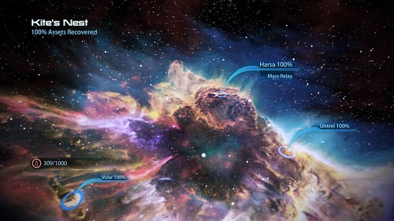

Moral system

Good actions
- Salvage
- Towing duty
- Mining
- Helping strangers - Donating resources
- Security enforcing
Bad actions
- Smuggling
- Pirating
- Destroying environments
- Attacking strangers
- Stealing resources
- Bribes

Consequences

- Low risk
- Tips on new locations
- Passive bonuses
- Positive random events later on
- Security forces/strangers sometimes help out on encounters
- Low reward
- Costs time/resources
- Vulnerable to piracy

